Frame with Hinges
StructureTool2D (© 2026 Prof. M. Maalej. All rights reserved.) |  | Node Coordinates Table |  |  | Member Connectivity and Material Properties Table |  |  |  |  |  |  | ↓ if Hinge Enter "1" |  | Support Conditions Table |  |  |  |  | Load Information Table |  |  |  |  | Notes
Structure Type (Truss, Frame, Beam) | Frame | Node # | X-Coord. (m) | Y-Coord. (m) | Member # | Start Node | End Node | Material | E (kN/m2) | A (m2) | I (m4) | Start Hinge | End Hinge | Node # | Support Type | XDOF | YDOF | ZDOF | Load Type | Node | Member | Load Magnitude* | Location (or w2)** | Load Magnitude*
Number of Nodes | 5 | 1 | 0 | 0 | 1 | 1 | 2 | Concrete | 20,000,000 | 0.15 | 0.003 | 0 | 0 | 1 | Pin | 0 | 0 | 1 | UDL (Vertical) |  | 2 | -10 |  | • P: Concentrated load (kN)
Number of Members | 4 | 2 | 0 | 3 | 2 | 2 | 3 | Concrete | 20,000,000 | 0.15 | 0.003 | 0 | 1 | 5 | Pin | 0 | 0 | 1 | UDL (Vertical) |  | 3 | -10 |  | • M: Concentrated Moment (kN.m)
Number of Supports | 2 | 3 | 2 | 3 | 3 | 3 | 4 | Concrete | 20,000,000 | 0.15 | 0.003 | 1 | 0 |  |  |  |  |  | Nodal (Horizontal) | 2 |  | 40 |  | • w: UDL (kN/m)
Number of Loads | 3 | 4 | 4 | 3 | 4 | 4 | 5 | Concrete | 20,000,000 | 0.15 | 0.003 | 0 | 0 |  |  |  |  |  |  |  |  |  |  | • w1: Trapezoidal load magnitude at start node (kN/m)
 |  | 5 | 4 | 0
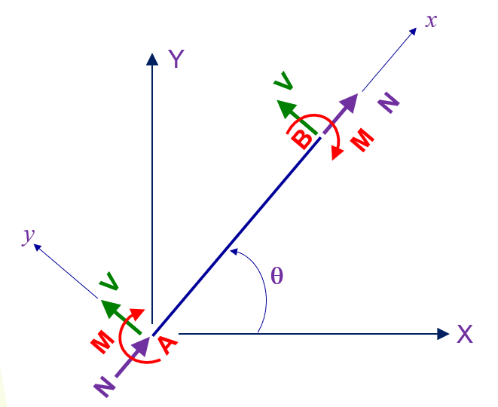
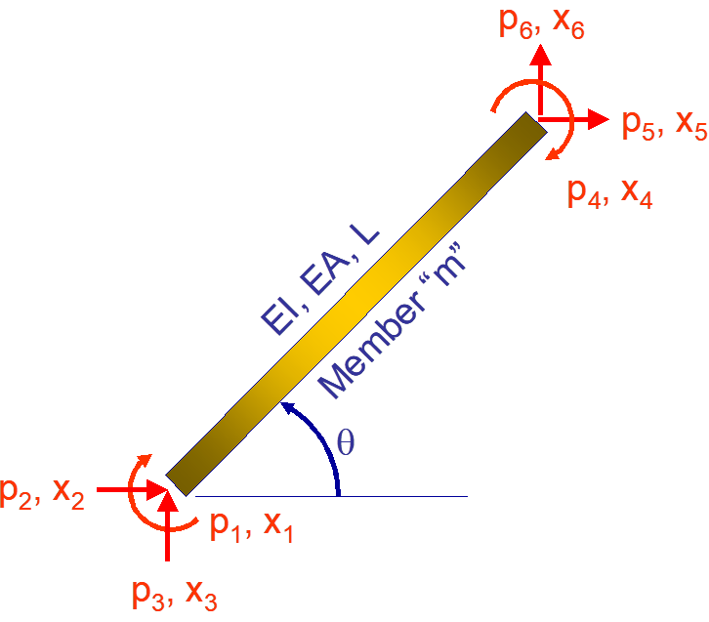
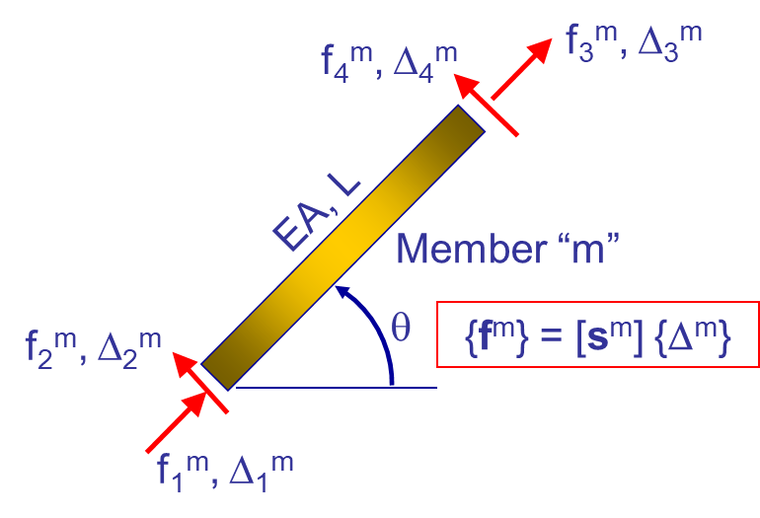
Member-End Forces--LCS
Member-End Forces--GCS
 |  |  |  |  |  |  |  |  |  |  |  |  |  |  |  |  |  |  |  |  |  |  |  | Location (or w2)**
 |  |  |  |  |  |  |  |  |  |  |  |  |  |  |  |  |  |  |  |  |  |  |  | • a: Location of concentrated load (P) or moment (M)
 |  |  |  |  |  |  |  |  |  |  |  |  |  |  |  |  |  |  |  |  |  |  |  | measured from the start node (m)
 |  |  |  |  |  |  |  |  |  |  |  |  |  |  |  |  |  |  |  |  |  |  |  | • w2: Trapezoidal load magnitude at end node (kN/m)
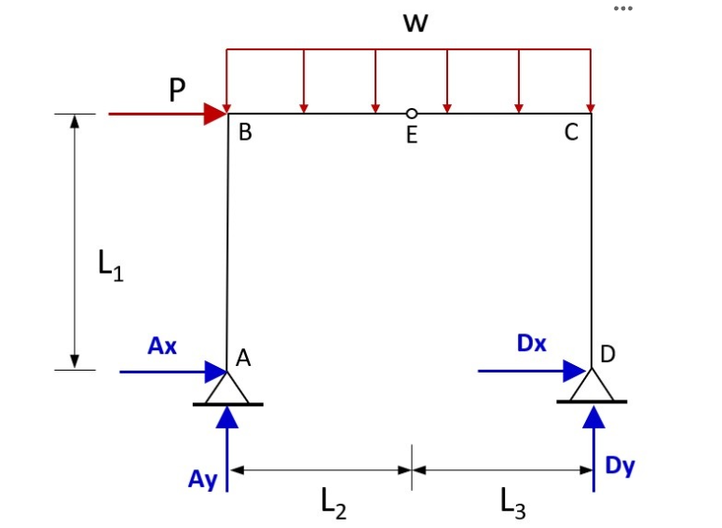
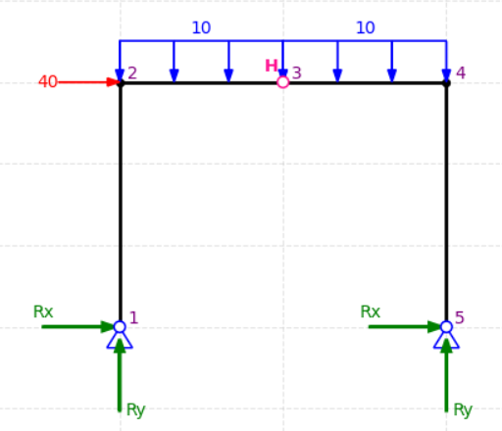

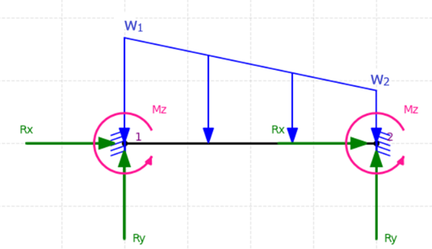
Load Types (For Information Only) | Comment
Nodal (Vertical) | Nodal Load (P)
Nodal (Horizontal) | Nodal Load (P)
Point Load (Vertical) | Member Load (P, a)
Point Load (Horizontal) | Member Load (P, a)
UDL (Vertical) | Member Load (w)
UDL (Horizontal) | Member Load (w)
Trapezoidal Dist. Load (Vertical) | Member Load (w1, w2)
Trapezoidal Dist. Load (Horizontal) | Member Load (w1, w2)
Concentrated Moment | Member Load (M, a)
Nodal Moment | Nodal Load (M)

Support Condition | XDOF | YDOF | ZDOF
Roller-X | 1 | 0 | 1
Roller-Y | 0 | 1 | 1
Fixed | 0 | 0 | 0
Pin | 0 | 0 | 1

Structure Type
Beam
Frame
Truss

